Neat Soap feeding setup (2)
 | New Neat Soap feeding setup
 | Scope of Project
 | Made new neat soap feeding setup to maintain quality Green neem noodles, The prevosus soap feed setup was with a two stage storage of 15 T and 1.5 ton, by this smaller capacity of final feed storage tank we had to re filling the tanks feqently, this frequnet refilling,flasing cause excess moister entrap in to the neat saop, therefor the adjustment of noddle plant was quite crtical, To eleminate these issue we were installed the new higher capacity feed tank to run the Noodle plant | 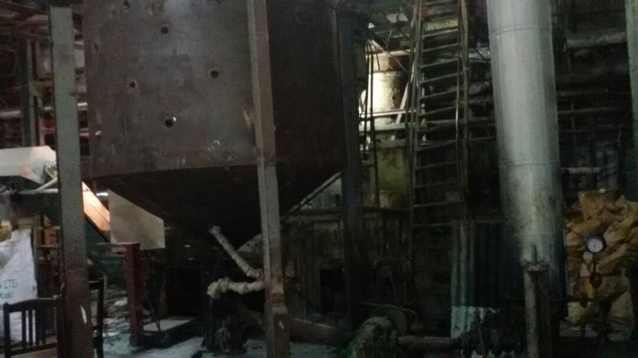
 | Cost saving of Project
 | Discripitons | Running Hr | Fuel /Electric energy required/ton | Fuel /Electric energy required/year(2400MT) | Total Cost/year in Rs:
1 | Steam Cost for material secondery Transfer for Flasing and heating transfer 1.5 min x 2 time per trasfer with 15 NB open steam | 0.6 | 0.375 | 900 | 35325
2 | Electric consumtion for detached Gear pump with a capacity of 2 MT/hr with 5.5 KW | 5.25 | 3.30159375 | 7923.825 | 110933.55

 | Other Benefits
3 | Elemnte exces water entap due to frequnt flasing and heating
4 | Improve Noodle qulaity
5 | Reduse manpower engagement for frequnt refilling
6 | Saving in construction of storage tank :- Convert obsolute old caustic tank to soap feed tank after necessary reparing and jaketng ( cost saved aprox 1.4 lac)

